Install Guide
 |  | Size | Dispenser | Install PAR
A4-V | EnviroWash | Pod |  | 2 Pods | Mach hopper | 3 vial test strip holder (R001)
 | EnviroDry | Pod |  | 2 Pods | Mach hopper
 | Super 8 | 2.5g |  | 2 Buckets | 2.5g basket

3 Comp | EnviroPan | 2.5g / 5g | D4 AirGap | 4 Buckets | 2.5g basket | Foot valve w weight and straw | *hot water line
 | UltraQA | Pod | D4 Action | 4 Cases | Ultra basket | In Line Check Valve close to the D4 | *pre rinse, 300ppm
 |  |  |  |  |  | 3 vial test strip holder (R001)
 |  |  |  |  |  | Sanitize sink is closest to the machine | *flow is toward DM

Mop Sink | GK 4 | Pod | D4 Action | 2 Cases | ultra basket | In Line Check Valve close to the D4
 | GK 2 | Pod | D4 Action | 1 Case | ultra basket | In Line Check Valve close to the D4
 | CitruKleen | 2.5g | D4 Action | 3 Buckets | 2.5g basket | In Line Check Valve close to the D4
 | Ultra QA | Pod | D4 Action | 0 Case | ultra basket | In Line Check Valve close to the D4 | 300ppm
 |  |  |  | 5 Spray Btl Rack (70-0500 from tcd) and 3 vial test strip holder (R001)

Prep Sink | Fit Wash | 1g | Dema 167 | 3 Cases | 1g basket | 3.5pH or less Brown Tip 1oz per Gallon | Zip tie a 1oz hand pump to the Fit basket
 |  |  |  |  |  | pH test paper roll holder from TCD, part # (TP-WM-001)

Other | Xpress Dgrs | Quarts | RTU | 1 Case
 | Xpress SS | Quarts | RTU | 1 Case
 | Fresh n Free | 1g | RTU | 1 Case | Part # for 1g is A0234280. DO NOT USE 1000ml FnF bags
 | DC-33 | 1g |  | 1 Gallon | 1oz pump zip tied to it. Test strips part # for Ultra QA and DC-33 are R043

SDS Book mounted on wall next to Mgr office
Placards/Stickers - Fill level(F525), wash/rinse/sanitize(F524), dw 3 sink method, sanitizing bucket(ACM20009)
ware preparation (F527), container reuse(PLCD0008), daily floor care(ACM20007) Ultra QA/DC33 Test Strips (R043)

4 x Ultra QA Spray Bottles, 4 x Citrukleen Spray Bottles, 4 x Glass Cleaner/GK2 Spray Bottles
12 x Ultra QA test strip vials for the mgrs office (R043)
12 x CL test strips for the mgrs office
12 x Fit test strips for the mgrs office (from HealthPro Brands)
3 vial test strip holder from ACS part # R001 (3 per store)
roll test strip holder from TCD part # TP-WM-001 (1 per store)
1 x 25 compartment xtall glass rack $75

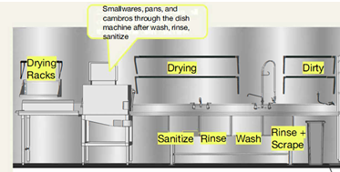

***The wares are washed, rinsed and sanitized before they go into the machine. The 4comp sink bowl closest to the machine is the Sanitizer bowl.****

Pictures
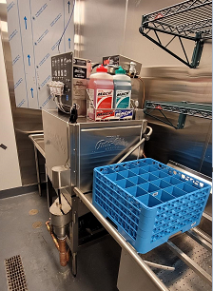
 | The door start must be eliminated

 | 25 compartment glass rack, extra tall, charge $75.00

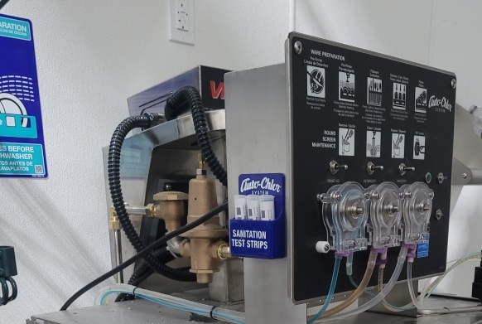

 |  | 3 Vial test strip holder on the machine on on the wall (in a dry zone)

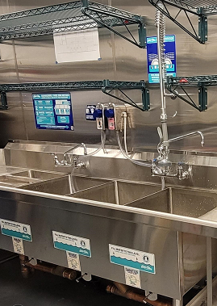

 | Wash Rinse and Sanitize stickers on each of the 3 bowls

 | Enviropan sticker on the D4
 | Enviropan plumber to the hot water angle valve delow the sink
 | Enviropan bowl is the 3rd furthest from the Dish Machine

 | Ultra QA bowl is closest to the Dish Machine
 | Ultra QA sticker on the D4
 | Ultra QA plumbed to the PreRinse (unless there is a dedicated tempered water lined studded from the wall)

 | 3 Vial test strip holder in a dry zone away fom the PreRinse

 | Fill Level stickers 75% of the way up the bowl
 | Wash Rinse and Sanitize stickers on each of the 3 bowls

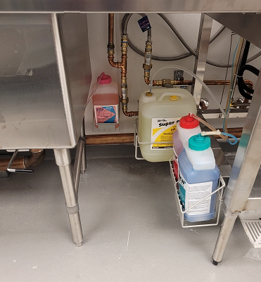

 | all chemical in baskets, 6" off of the floor

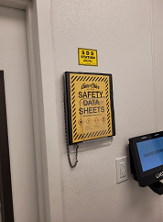

SDS Book mounted on the wall outside the Manager's office

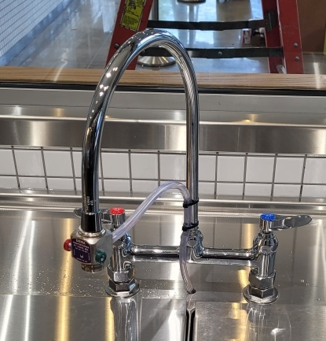

 |  |  | If the DEMA 167 doesn’t fit the thread we need to do 1 of 2 things
 |  |  | 1. get an adaptor
 |  |  | 2. swap the goose neck out with another in the kitchen that the 167 does fit
 |  |  | (the base is a universal size, the ends can vary)

 |  |  | Brown tip should get you to 3.5pH or less

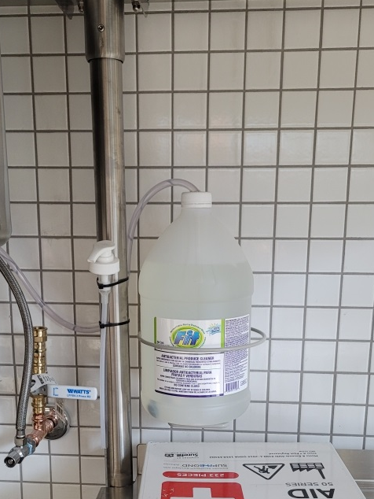

 | Fit must be in a basket
 | zip tie a 1oz pump to the basket

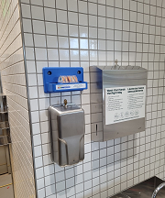

Fit test strip holder is purchased from TCD
Mount on a wall away away from the Fit sink, in a dry zone

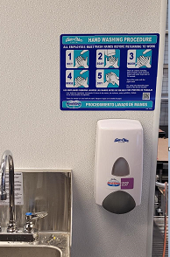

Hand soap dispensers must be Foaming and Refillable for
1g format Fresh n Free

Please label the dispenser

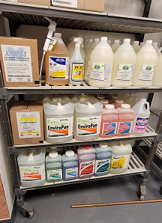

 | zip tie a 1oz pump and DC33 test strips to the handle of the DC33

 | deliver Xpress Stainless Steel and Xpress Degrease

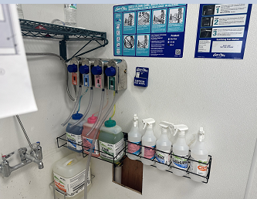

 |  | 3 vial test strip holder
 |  | 5 spray bottle rack
 |  | labels on all D4s
 |  | Citrukleen 2.5g

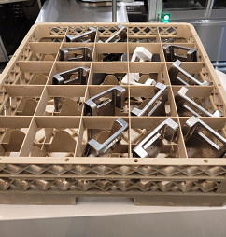

 | for IK stores only, please deliver a 2nd 25 compartment glass rack. Short
 | for IK stores only, please delver 2 ultra caps. The DEMA rep will install
 | ultra qa and Envirosoak on the salad dressing machine

